Figure 3d
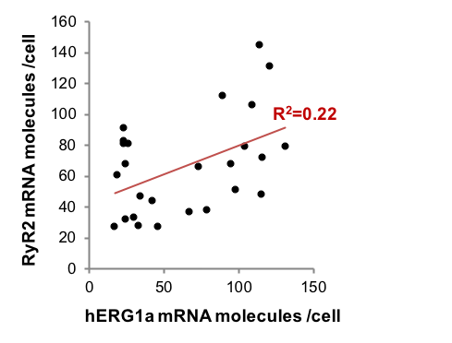
# RyR2 mRNA | # hERG1a mRNA
46 | 27
73 | 66
79 | 38
116 | 72
33 | 28
24 | 32
95 | 68
104 | 79
121 | 131
114 | 145
89 | 112
34 | 47
109 | 106
131 | 79
67 | 37
98 | 51
26 | 81
23 | 81
23 | 91
24 | 68
23 | 83
19 | 61
30 | 33
42 | 44
17 | 27
115 | 48

N=26 | R=0,4654 | R2=0,2166 | pvalue=0,01658

Spearman | Rs=0,32238 | p(2-tailed)=0,1084

